Architec
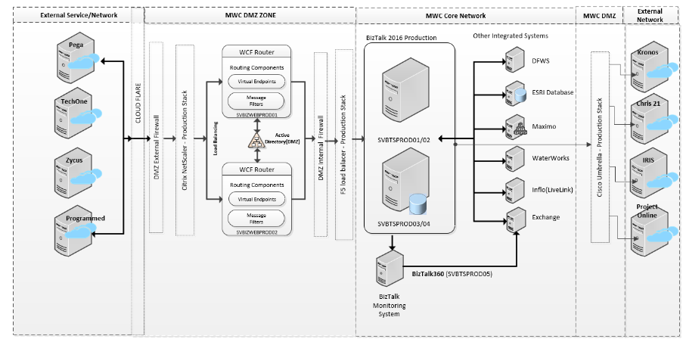

2. BizTalk application is used for integration between:

· GIS | · TechOne
· Maximo | · Chris21
· Q4 – Permit to Work | · Kronos
· DFWS | · Project Online
· EnviroSys | · Zycus
· Pega | · PageUp
· Waterworks | · Maximo Mobility
· IDAM | · OSIPI
· IRIS | · Inflo

